Plan1
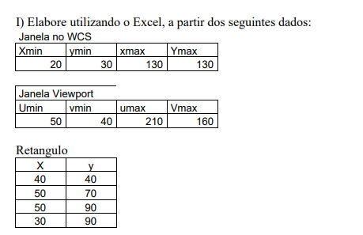
 | janela no wcs
 | Xmin | Ymin | Xmax | Ymax
 | 20 | 30 | 130 | 130

 | janela Viewport
 | Umin | vmin | Umax | vmax
 | 50 | 40 | 210 | 160

 | Retangulo
 | X | Y
 | 30 | 70
 | 50 | 70
 | 50 | 90
 | 30 | 90

 | X | Y |  |  | x | y
 | 30 | 70 |  | p1 | 65.454545455 | 88
 | 50 | 70 |  | p2 | 96.363636364 | 24
 | 50 | 90 |  | p3 | 96.363636364 | 112
 | 30 | 90 |  | p4 | 65.454545455 | 112

 | janela no wcs
 | Xmin | Ymin | Xmax | Ymax
 | 0 | 0 | 800 | 600

 | X | Y |  |  | ndx | ndy
 | 30 | 70 |  | p1 | 0.0375 | 0.11666666667
 | 50 | 70 |  | p2 | 0.0625 | 0.11666666667
 | 50 | 90 |  | p3 | 0.0625 | 0.15
 | 30 | 90 |  | p4 | 0.0375 | 0.15

a)
LG | 1440 | 900
SAMSUMG | 1920 | 1080

 | janela no wcs LG |  |  |  |  | janela no wcs Sansung
 | Xmin | Ymin | Xmax | Ymax |  | Xmin | Ymin | Xmax | Ymax
 | 0 | 0 | 1440 | 900 |  | 0 | 0 | 1920 | 1080
 | razao aspecto |  | 1.6 |  |  | razao aspecto |  | 1.7777777778

b)
 | janela no wcs Sansung
 | Xmin | Ymin | Xmax | Ymax
 | 0 | 0 | 1920 | 1080

 | X | Y |  |  | ndx | ndy
 | 30 | 70 |  | p1 | 0.027777777778 | 0.064814814815
 | 50 | 70 |  | p2 | 0.046296296296 | 0.064814814815
 | 50 | 90 |  | p3 | 0.046296296296 | 0.083333333333
 | 30 | 90 |  | p4 | 0.027777777778 | 0.083333333333

 | janela no wcsMundo |  |  |  |  | janela no wcs tela
 | Xmin | Ymin | Xmax | Ymax |  | Vmin | Umin | Umax | Vmax
 | 20 | 20 | 70 | 70 |  | 20 | 20 | 40 | 40

 | X | Y |  |  | ndx | ndy
 | 25 | 25 |  | p1 | 22 | 22
 | 35 | 25 |  | p2 | 26 | 22
 | 25 | 45 |  | p3 | 22 | 30
 | 35 | 45 |  | p4 | 26 | 30

